Calcium Chloride Calculator
MICRO-PAK DRI CLAY® KRAFT VS. CALCIUM CHLORIDE
ENVIRONMENTAL IMPACT CALCULATOR

INPUTS
Input your annual calcium chloride desiccant usage
Step 1: Input estimated number of calcium chloride bags used anually (millions of bags)
Step 2: Input the average weight of the bags (select size from the dropdown list)

 | Input Number of Sachets | 50 | Million
 | Input Weight of Each Sachet | 2 | Grams | *Click cell to select from dropdown list
Micro-Pak MPX2® Desiccant
Calcium Chloride
Micro-Pak® Dri Clay Kraft
Bentonite Clay

PLASTIC & WASTE TO LANDFILL
PLASTIC & WASTE TO LANDFILL
ZERO
55
2,750,000
PLASTIC to landfill
Plastic-free, biodegradable Kraft paper sachets
Metric Tonnes of plastic packaging =

1-lire plastic bottles

100
100
Metric Tonnes
of natural clay to landfill
Metric Tonnes
of calcium chloride to landfill

WATER
WATER

ZERO
WATER used in production
18,000
Litres of fresh water
used in production

CHEMICALS
CHEMICALS

195
ZERO
CHEMICALS
Made of 100% natural bentonite clay
Metric Tonnes of hydrochloric acid
92
Metric Tonnes of calcium carbonate
7
Metric Tonnes of calcium oxide

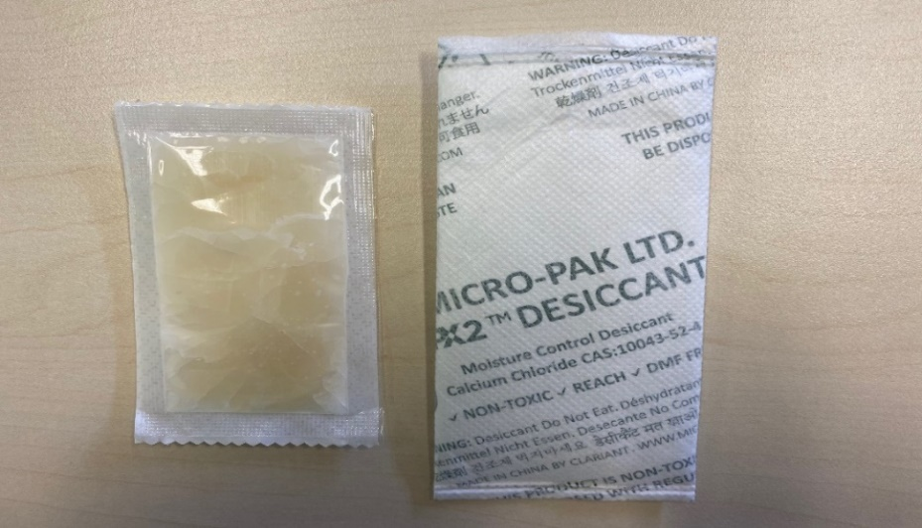
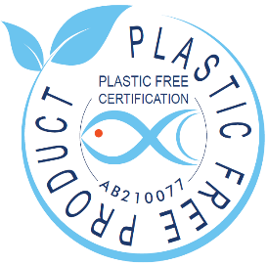
Micro-Pak MPX2® Desiccants
Calcium chloride turns into a corrosive liquid gel when it absorbs moisture. To reduce the risk of leakage the desiccant packaging comprises an inner plastic layer made of high-density polyethylene fibres as well as an outer non-woven layer (also plastic) that absorbs residual leakage.
Not only is the entire construction plastic, but calcium chloride sachets are also significantly larger than other types of desiccants.
As a result they require at least 4X more packaging materials than other desiccants.

Micro-Pak® Dri Clay Kraft
A plastic-free desiccant made from natural bentonite clay that is packaged in biodegradable FSC-certified Kraft paper.
Dri Clay® has the Plastic Free Certification from Control Union which confirms that it is a 100% plastic-free product:
https://www.controlunion.com/certification-program/plastic-free-certification/

.

