Silica Gel Calculator
MICRO-PAK DRI CLAY® KRAFT VS SILICA GEL
ENVIRONMENTAL IMPACT CALCULATOR

INPUTS
Input your annual silica gel usage
Step 1: Input estimated number of silica gel bags used anually (millions of bags)
Step 2: Input the average weight of the bags (select size from the dropdown list)

 | Input Number of Sachets | 100 | Million
 | Input Weight of Each Sachet | 5 | Grams | *Click cell to select from dropdown list

Micro-Pak® Dri Clay Kraft
Silica Gel

PLASTIC & WASTE TO LANDFILL
PLASTIC & WASTE TO LANDFILL
ZERO
47
2,350,000
PLASTIC to landfill
Plastic-free, biodegradable Kraft paper sachets
Metric Tonnes of plastic packaging =

1-lire plastic bottles

500
500
Metric Tonnes
of natural clay to landfill
Metric Tonnes
of silica gel beads to landfill

WATER
WATER

ZERO
WATER used in production
9,500,000
Litres of fresh water
used in production

CHEMICALS
CHEMICALS

250
ZERO
CHEMICALS
Made of 100% natural bentonite clay
Metric Tonnes of sulphuric acid

700
Metric Tonnes of sodium silicate

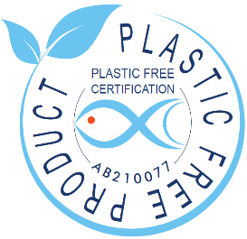
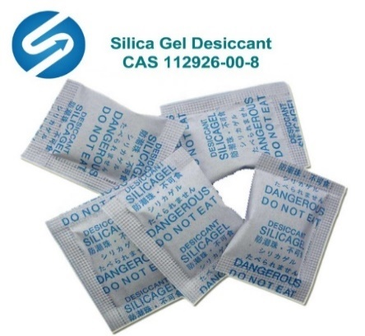

Micro-Pak® Dri Clay Kraft
A plastic-free desiccant made from natural bentonite clay that is packaged in biodegradable FSC-certified Kraft paper.
Dri Clay® has the Plastic Free Certification from Control Union which confirms that it is a 100% plastic-free product:
https://www.controlunion.com/certification-program/plastic-free-certification/
Silica Gel
A synthetic desiccant most commonly packaged in plastic sachets made of high-density polyethylene fibres.

